Task 2
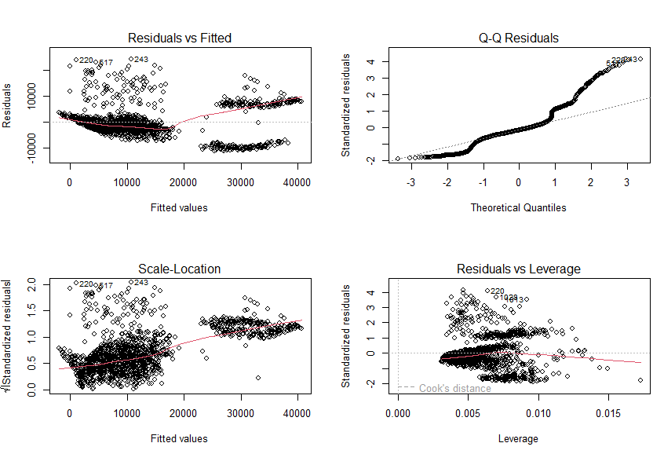
 |  | TASK 2

Q1 | Check the type of each variable and print first few observations.

Solution | Printing the type of each variable |  |  | Printing first few observations
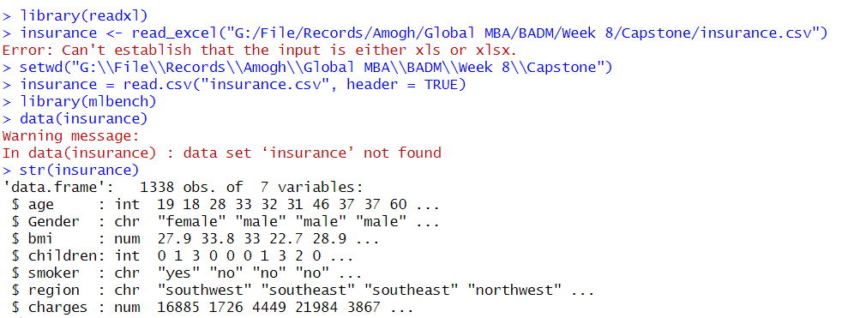
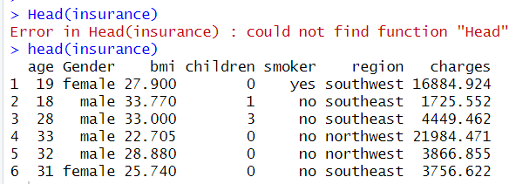

Q2. | Check if there any missing values in the dataset.

Solution | Checking for null/missing values in the dataset.

Q3. | Fit a multiple linear regression.

Solution | 1. Categorical variables to numeric conversion & fitting regression. |  | 4. Dropping Gender & Region and reassessing the model fit.
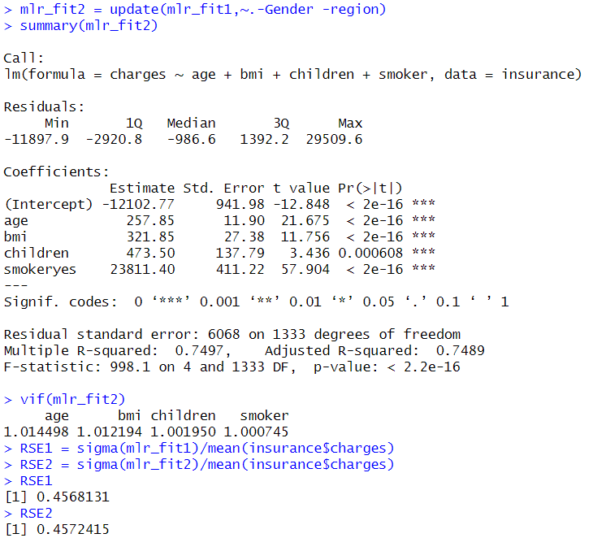

 | 2. Linear modelling for all variables in the dataset
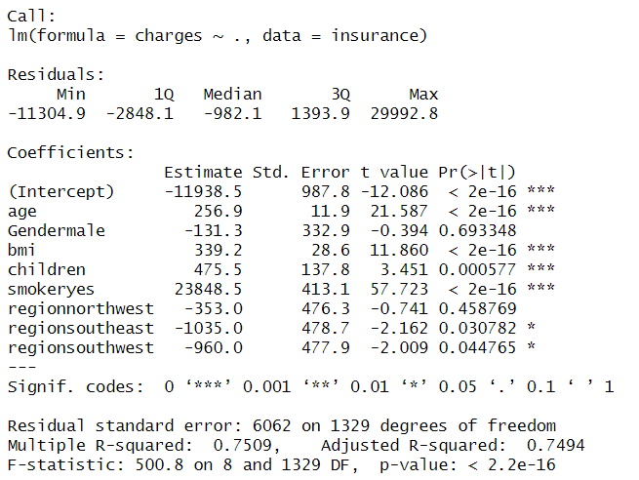

 | 3. Calculation of variance inflation factor (VIF) for the model. |  | 4. Correlation between each Predictor (BMI, Age, Children, Smoker) and Response (Charges)
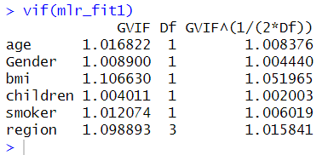
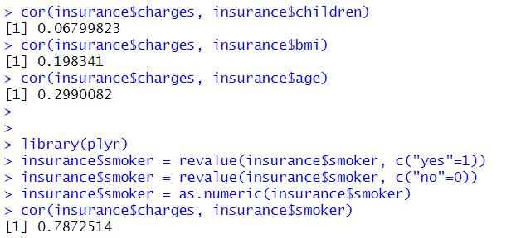

 | 5. Plotting the updated fit

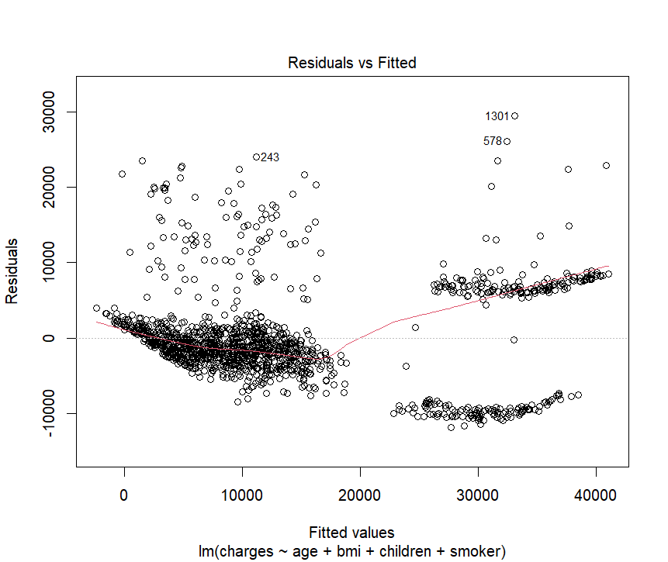
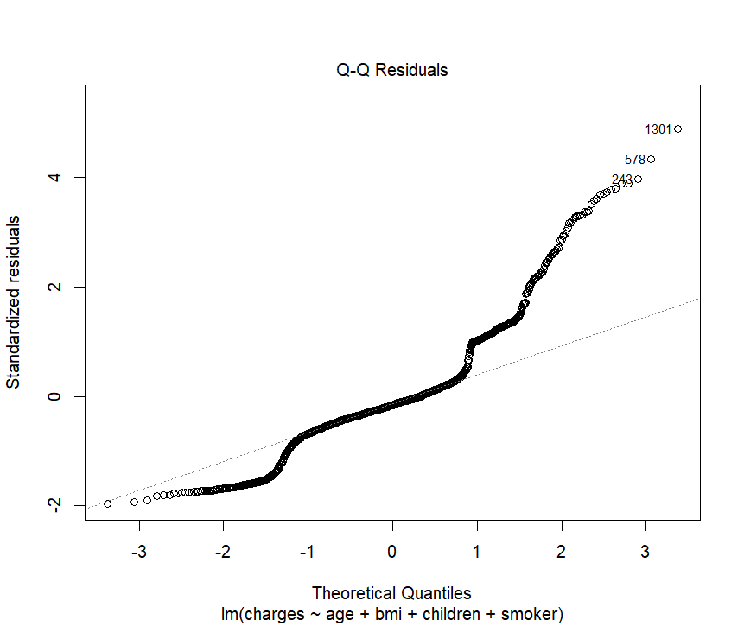
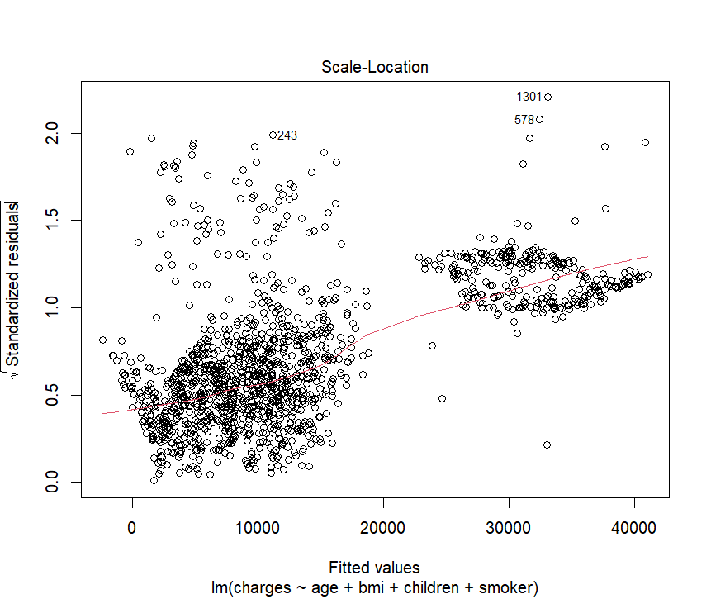
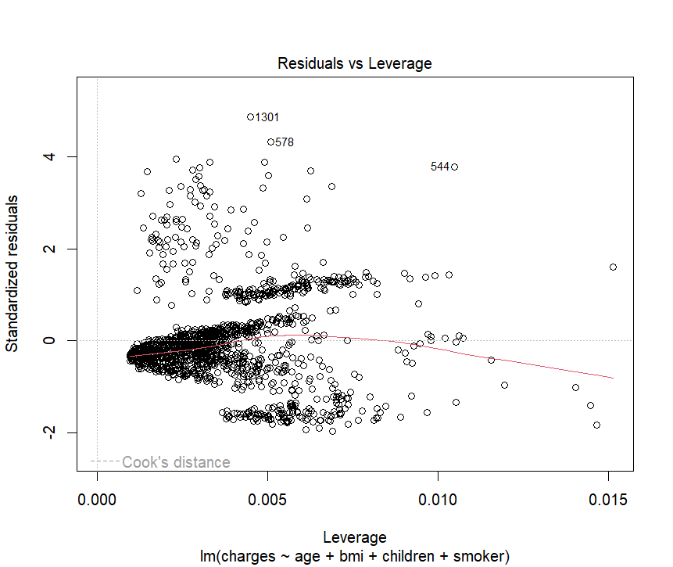

Q4. | Check for multicollinearity and remove the variables with VIF more than or equal to 10.
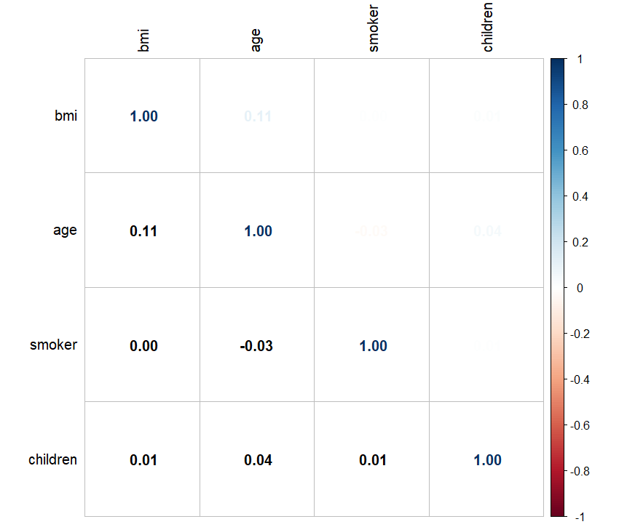
Solution

Q5. | List the significant variables, interpret the adjusted R square plot the residuals.

Solution | From the below Linear regression model and the coefficients, it is clear that age, bmi, childrenand smokeryes are significant variables.
 | Model assessment metrics gives a clear indication that percentage errors are high, therefore, we need to go for residual diagnosis.
 | Accuracy of the model is not to the mark as per the adjusted R square as it is remains same in both the models.

Q6. | Check if there is any pattern or is it randomly distributed?

Solution: | There is slight up trend in residuals to Fitted values.
 | From the QQ plot, residuals are deviated from normal distribution
 | Hence, having a simpler model is better for interpretation.

